Template Help
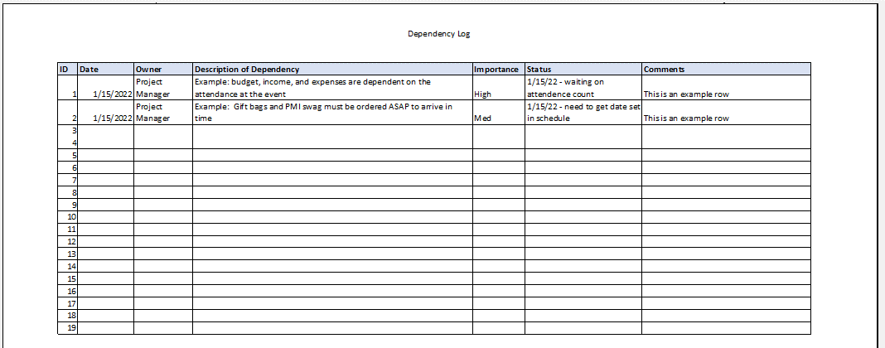
Overview / grading requirements:
The dependencies log will capture at least who the project is dependent upon and what they should deliver and when.
It is possible for a project to have interdependencies. This is where tasks, milestones, etc within the same project are dependent on each other.
In order to identify project dependencies, look for tasks that the team cannot perform until they receive information or deliverables from a previous task. Those tasks are dependent. Think of your whole project as a series of workflows or a flowchart.

Helpful Links:

Example:

